Instructions
Solving Linear Programming Applications With Excel's Solver Tool

Instructions: | Use Excel's Solver Tool to solve each application. Each problem should consist of the following
 | components (outlined in the comment boxes below) and look similar to the following example.
 | There are 8 problems, each one located on an individual worksheet in this file.

Problem --- | Manufacturing: Production Scheduling A furniture company has two plants
 | that produce the lumber used in manufacturing tables and chairs. In one day
 | of operation, plant A can produce the lumber required to manufacture 20
 | tables and 60 chairs, and plant B can produce the lumber required to
 | manufacture 25 tables and 50 chairs. The furniture company needs enough
 | lumber to manufacture at least 200 tables and 500 chairs. It costs $1,000 to
 | operate plant A for one day and $900 to operate plant B for one day. How
 | many days should each plant be operated to produce a sufficient amount of
Take a screen shot of your work.
 | lumber at a minimum cost? What is the minimum cost?

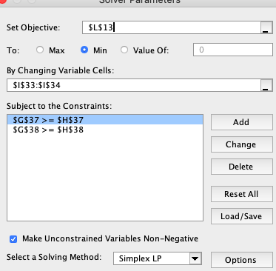
Solution: | Let A = the number of operating days for Plant A to produce the necessary lumber
 | Let B = the number of operating days for Plant B to produce the necessary lumber

Write the equation for the
objective function.
 | Objective Function:
 |  | Minimum Cost, C = 1000A + 900B

 | Constraints
 |  | 20A + 25B >=200 |  | <---Number of required tables
 |  | 60A + 50B >= 500 |  | <---Number of required chairs
 |  | A >= 0
Write the inequalities for the
constraints.
Include a notation that explains
each constraint.
 |  | B >= 0

Set up the necessary portions for the
Solver Tool in the spreadsheet as well as
in the fields of the Solver Tool dialog box.
 | Using the Solver tool
 |  | Objective Function |  | 8600

 |  | Decision Variables
 |  |  | number of operating days for Plant A to produce the necessary lumber (A) |  |  |  | 5
 |  |  | number of operating days for Plant B to produce the necessary lumber (B) |  |  |  | 4

 |  | Constraints
 |  |  | Number of required tables |  | 200 | 200
 |  |  | Number of required chairs |  | 500 | 500
 |  |  | nonnegativity for A |  | 5 | 0
 |  |  | nonnegativity for B |  | 4 | 0

 | Conclusion
 |  | Minimum costs will occur to fulfill the required amount of lumber when Plant A operates for
 |  | 5 days and Plant B operates for 4 days. The minimum cost will be $8600.

Summarize the results with a conclusion statement.

