Stakeholder__1
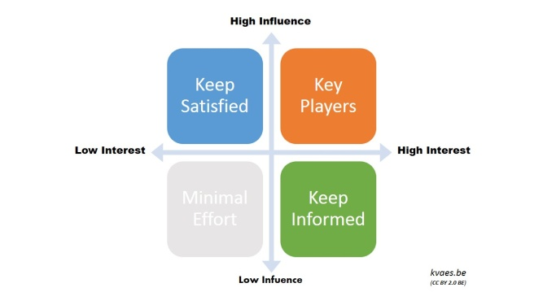
 | Team Members: | Stakeholder Analysis 1
 | Name 1.:
 | Name 2.: | Adapted from www.freepmtools.com
 | Name 3.: | "The stakeholder analysis is an instrument to illustrate and to discover different needs of different stakeholders of particular companies"
 | Name 4.:
 | Name 5.:
 | Name 6.:
 | Name 7.:

 | Stakeholder | Interest of stakeholders | Influence/Power of stakeholders | Preferences (possitive / negative)

 |  | [0;5] - [0=small; 5=big] | [0;5] - [0=small; 5=big] | [1;3;5] - [1=pos; 3=neutral; 5=neg]
1. | Stakeholder 1 | 1 | 1 | 1
2. | Stakeholder 2 | 2 | 2 | 1
3. | Stakeholder 3 | 3 | 4 | 1
4. | Stakeholder 4 | 4 | 5 | 1
5. | Stakeholder 5 | 5 | 1 | 1
6. | Stakeholder 6 | 1 | 2 | 1
7. | Stakeholder 7 | 2 | 1 | 1
8. | Stakeholder 8 | 1 | 1 | 1

Stakeholder Analysis

Stakeholder__2
 | Stakeholder Analysis 2

 | Adapted from www.freepmtools.com
 | "The stakeholder analysis is an instrument to illustrate and discover different needs of different stakeholders of particular companies."

8. Other |  | 1. CEO (internal) | 2. Community
xxx

7. Foundations and corp. donors |  | NEEDS, REQUIREMENTS, PROSPECTS, ENGINEER STANDARDS, PREFERENCES, BEHAVIOR, POSITION | 3. Individual Donors

6. Local Government |  | 5. Partner Programs | 4. Customers

General (worksheet stakeholder_2):
In contrast to the shareholder value-principle, which is basically focused on the needs and expectations of shareholders and a corporation, the stakeholder principle tries to expectate the corporation in its whole socioecological context. In addition to that, the stakeholder principle tries to bring the needs of the different stakeholder in line.
Practice (worksheet stakeholder_1):
The dealing with the stakeholder groups can be designed in a zyclic passing through model. Thereby, strategic- and normative-critical shareholder group concepts pose different questions which lead to different measures.
Step 1: Evaluation of Stakeholders
_Who can/could exert influence?
_Who has legitimate claims?
Step_2: Classification of Stakeholders
_Amount of influence and suggestibility
_Concernment
Step_3: Assessment of Claims
_Expectations of harm/good?
_Legitimacy and reasonability?
Step_4: Activities
_inform, involve, bargain
_open and close

